Summary
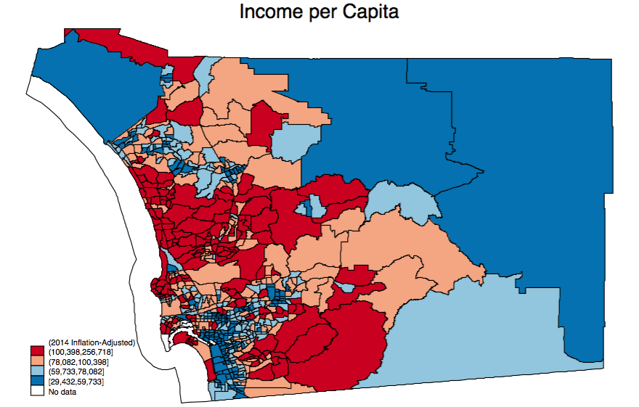
ACS 2014 Summary Results for San Diego County
Households | Mean Income (Household) | San Diego Pop. | San Diego Pop.> 25 | San Diego Pop. - Females | San Diego Pop. - Males | Male to Female Ratio
1,083,811 | $86,408 | 3,183,143 | 2,088,134 | 1,584,877 | 1,598,266

Graph 1:

Breweries
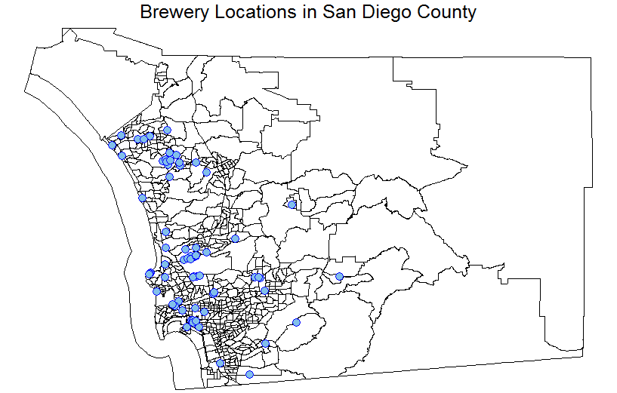
ACS 2014 Summary Results for San Diego County - with Brewery Data
Brewery in Tract | Households | Mean Income (Household) | Pop. | Pop.> 25 | Pop. - Females | Pop. - Males | Male to Female Ratio
No | 989,960 | $86,978 | 2,925,282 | 1,910,796 | 1,460,697 | 1,464,585
Yes | 93,851 | $80,401 | 257,861 | 177,338 | 124,180 | 133,681
Graph 1:
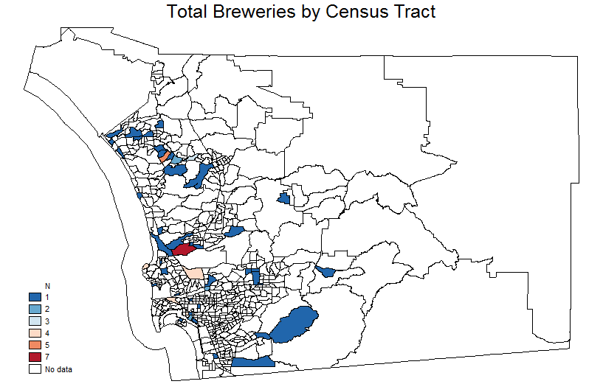

Graph 2:

